Sheet2
Sum of Total | Sum of Discount Amount | Row Labels | Count of Name | Row Labels | Count of Name | Row Labels | Count of Name | Row Labels | Sum of Lineitem quantity | Row Labels | Sum of Lineitem quantity
₹ 1,835,410.65 | ₹ 444,393.35 | Cash on Delivery | 1627 | Free delivery | 1718 | Mumbai | 293 | Asian Pantry Sampler | 5 | Chilli Oil Combo Pack | 343
 |  | Razorpay (Cards, UPI, NetBanking, Wallets, Paypal) | 969 | Free Shipping (Cash on Delivery) | 374 | New Delhi | 181 | Sweet & Spicy Noodle Kit | 5 | Sichuan Chilli Oil | 303
 |  | Razorpay (Cards, UPI, NetBanking, Wallets, Paypal) + Cash on Delivery | 4 | Standard | 508 | Bengaluru | 150 | Chinese Garlic Combo | 5 | 2X Spicy Sichuan Chilli Oil | 222
 |  | Grand Total | 2600 | Grand Total | 2600 | Kolkata | 116 | Top Seller Black Bean Kit | 3 | Udon Noodles : Japanese Noodles | 113
 |  |  |  |  |  | Delhi | 83 | Family Dinner Kit | 2 | Kinky Korean - Holy basil Stir-Fry Sauce | 91
 |  |  |  |  |  | Chennai | 65 | Hong Kong Style Rice Kit | 1 | Soy & Garlic Stir-Fry Sauce | 88
 |  |  |  |  |  | Pune | 65 | Grand Total | 21 | Grand Total | 1160
 |  |  |  |  |  | Gurugram | 56
 |  |  |  |  |  | Hyderabad | 54
 |  |  |  |  |  | Bangalore | 53
 |  |  |  |  |  | Grand Total | 1116

Dashboard
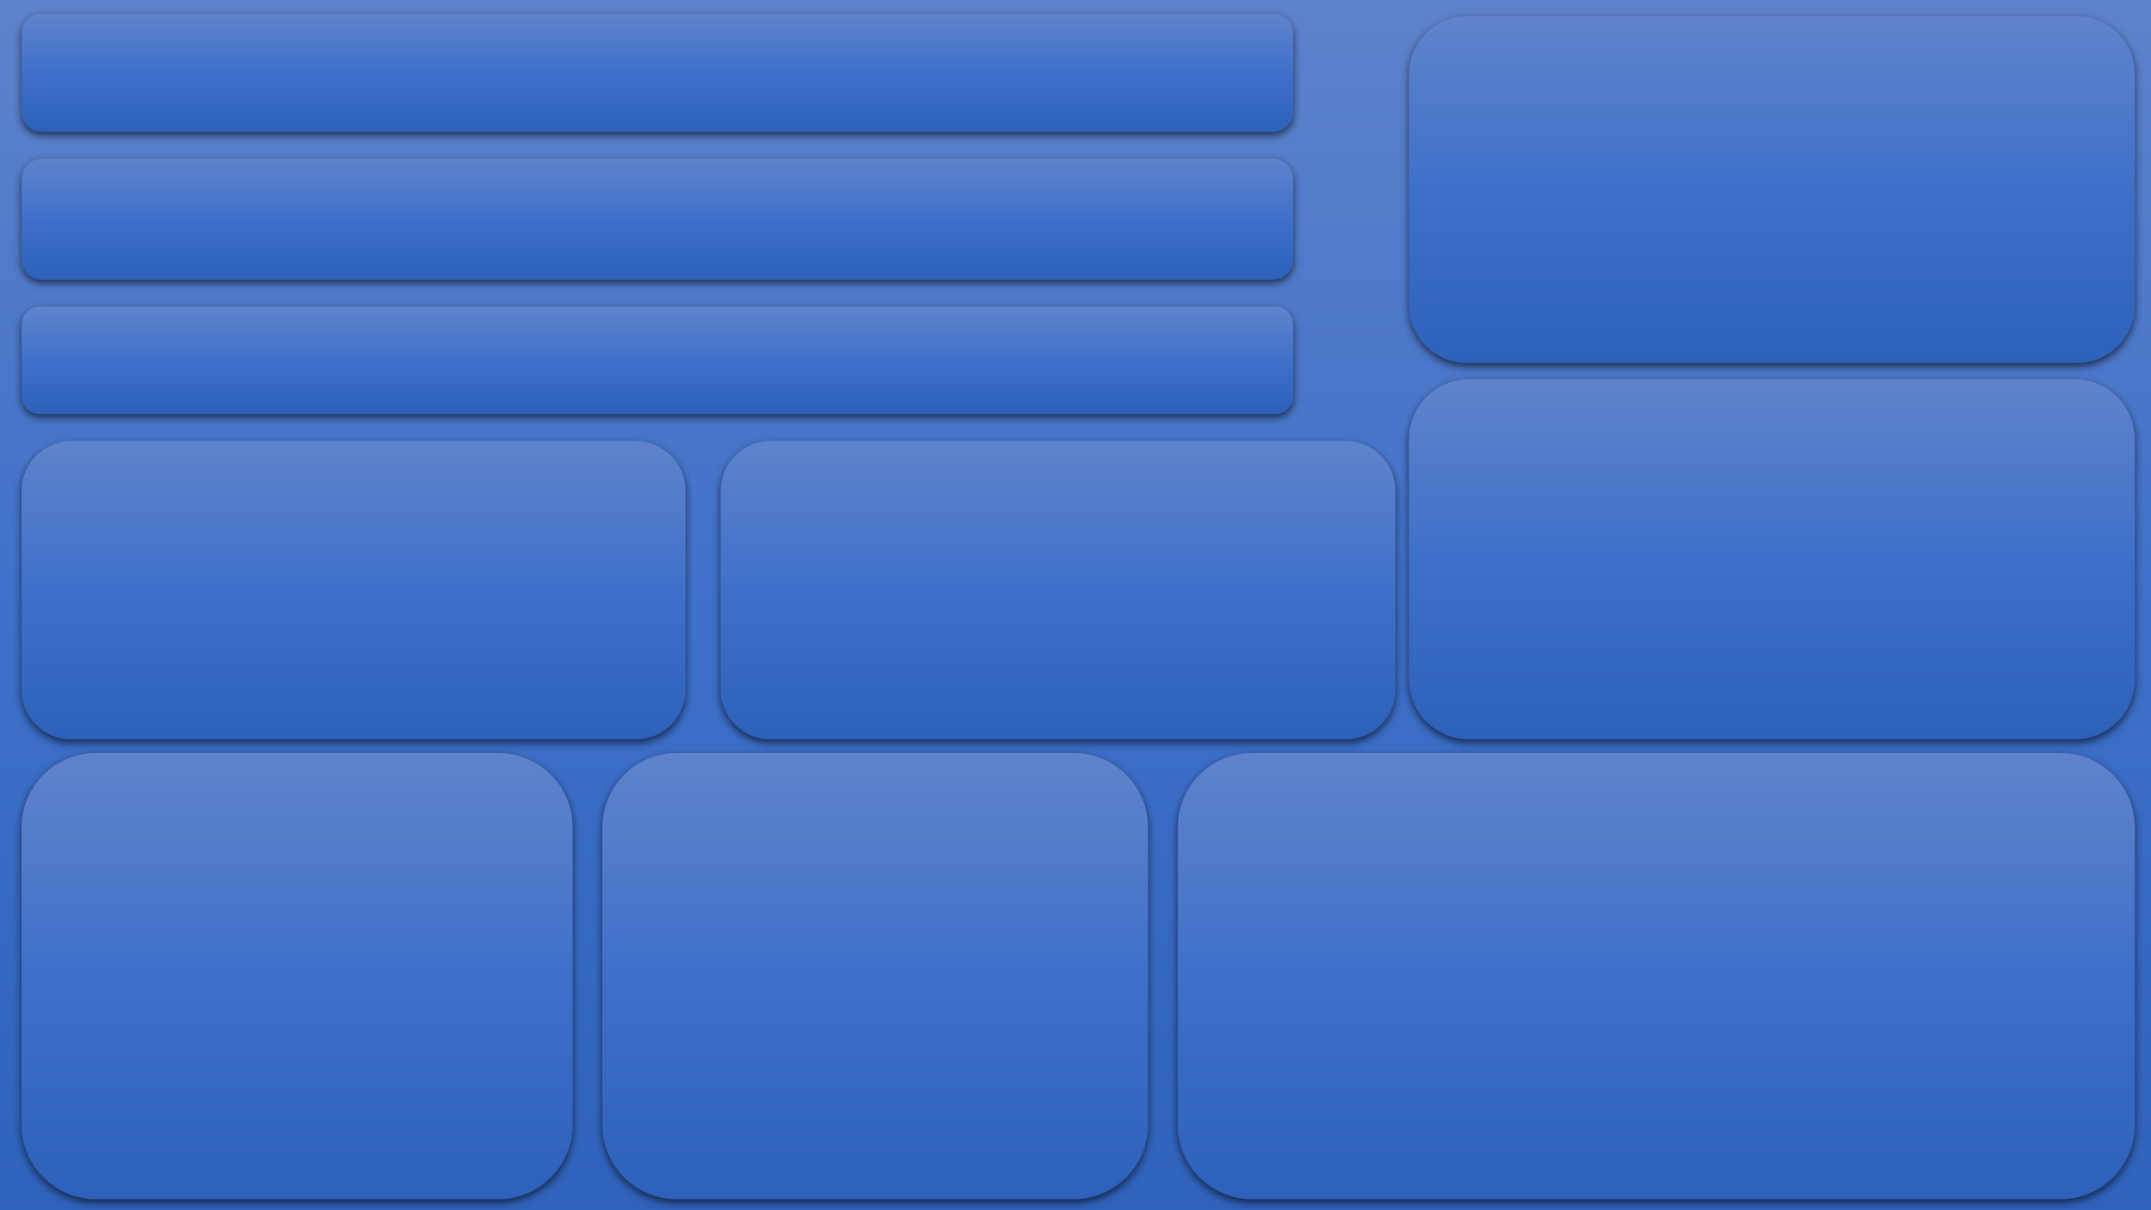
Total Sales
 | Total
Total | ₹ 1,835,410.65

Discount Given
 | Total
Total | ₹ 444,393.35
Payment Method
 | Total
Cash on Delivery | 1627
Razorpay (Cards, UPI, NetBanking, Wallets, Paypal) | 969
Razorpay (Cards, UPI, NetBanking, Wallets, Paypal) + Cash on Delivery | 4
Shipping Method
 | Total
Free delivery | 1718
Free Shipping (Cash on Delivery) | 374
Standard | 508

Top 6 Lineitem
 | Total
Chilli Oil Combo Pack | 343
Sichuan Chilli Oil | 303
2X Spicy Sichuan Chilli Oil | 222
Udon Noodles : Japanese Noodles | 113
Kinky Korean - Holy basil Stir-Fry Sauce | 91
Soy & Garlic Stir-Fry Sauce | 88
Bottom 6 Lineitem
 | Total
Asian Pantry Sampler | 5
Sweet & Spicy Noodle Kit | 5
Chinese Garlic Combo | 5
Top Seller Black Bean Kit | 3
Family Dinner Kit | 2
Hong Kong Style Rice Kit | 1
Top 10 Billing City
 | Total
Mumbai | 293
New Delhi | 181
Bengaluru | 150
Kolkata | 116
Delhi | 83
Chennai | 65
Pune | 65
Gurugram | 56
Hyderabad | 54
Bangalore | 53

